5X5 Summary
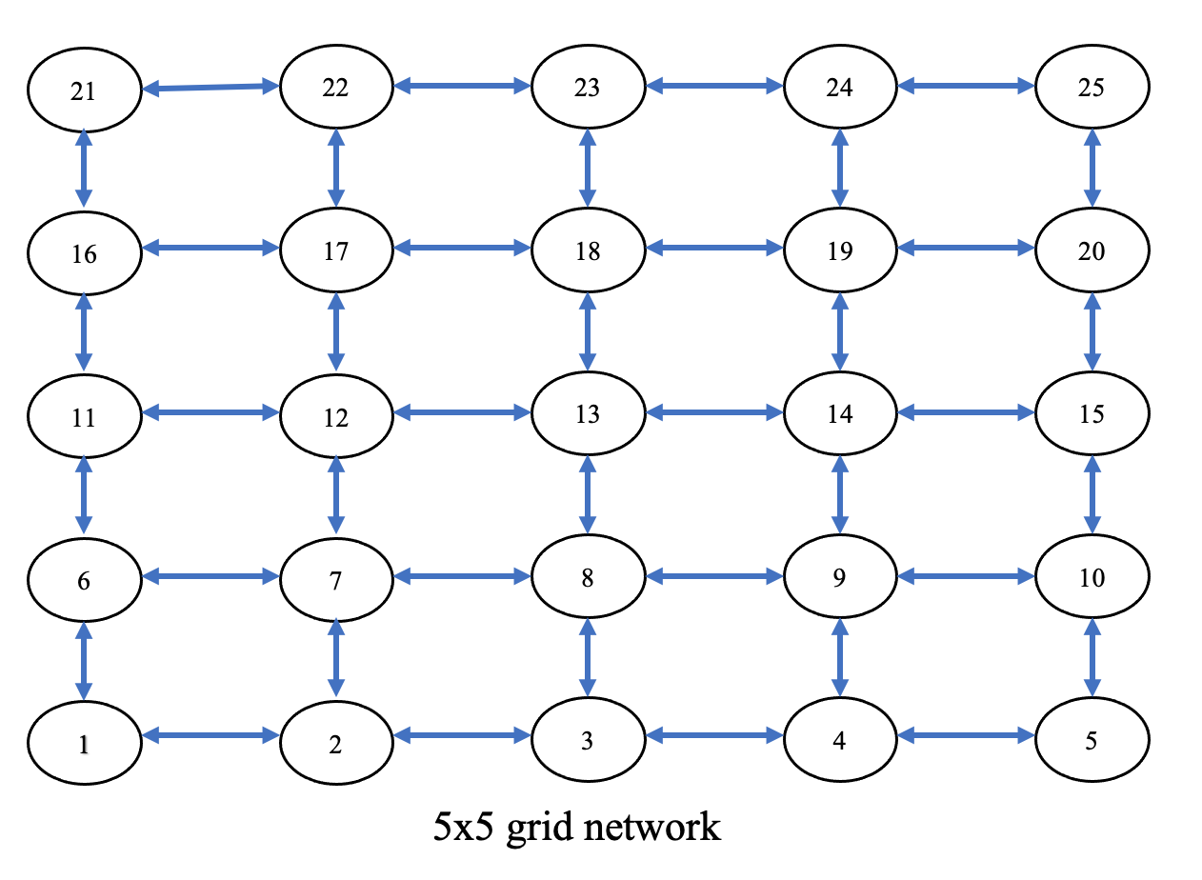
Small-scale Test Instances
 |  | Veh Initial Locations | Req Pick-up Locations | Req Drop-off Locations
K2R3 | S1N1 | [23,4] | [10,24,23] | [18,16,9]
 | S1N2 | [20,6] | [12,15,2] | [13,17,21]
 | S1N3 | [5,1] | [7,6,9] | [4,25,13]
 | S1N4 | [16,2] | [18,7,18] | [10,14,6]
 | S1N5 | [10,8] | [14,20,20] | [22,23,1]
K2R4 | S2N1 | (20,10) | [7,11,3,4] | [24,24,15,2]
 | S2N2 | [2,4] | [2,5,20,23] | [13,22,6,11]
 | S2N3 | [11,20] | [10,2,6,2] | [16,7,23,5]
 | S2N4 | [4,18] | [3,3,4,13] | [13,12,20,14]
 | S2N5 | [13,15] | [7,4,16,16] | [6,22,3,23]
K2R5 | S3N1 | [7,19] | [23,19,11,24,7] | [14,24,2,8,24]
 | S3N2 | [7,15] | [11,3,1,13,7] | [9,8,5,10,18]
 | S3N3 | [10,9] | [7,3,3,7,7] | [24,5,13,4,24]
 | S3N4 | [15,21] | [22,17,25,25,18] | [20,9,20,2,9]
 | S3N5 | [19,6] | [3,23,21,23,3] | [18,5,20,2,20]
K2R6 | S4N1 | [7,17] | [8,17,18,2,7,6] | [16,22,9,20,10,1]
 | S4N2 | [23,1] | [12,11,12,20,9,20] | [9,16,5,19,12,4]
 | S4N3 | [21,5] | [7,2,16,20,13,1] | [25,13,9,19,16,15]
 | S4N4 | [18,17] | [25,1,11,13,15,3] | [6,2,14,10,13,16]
 | S4N5 | [16,21] | [1,11,7,13,23,8] | [15,1,4,9,5,17]

